Sheet1
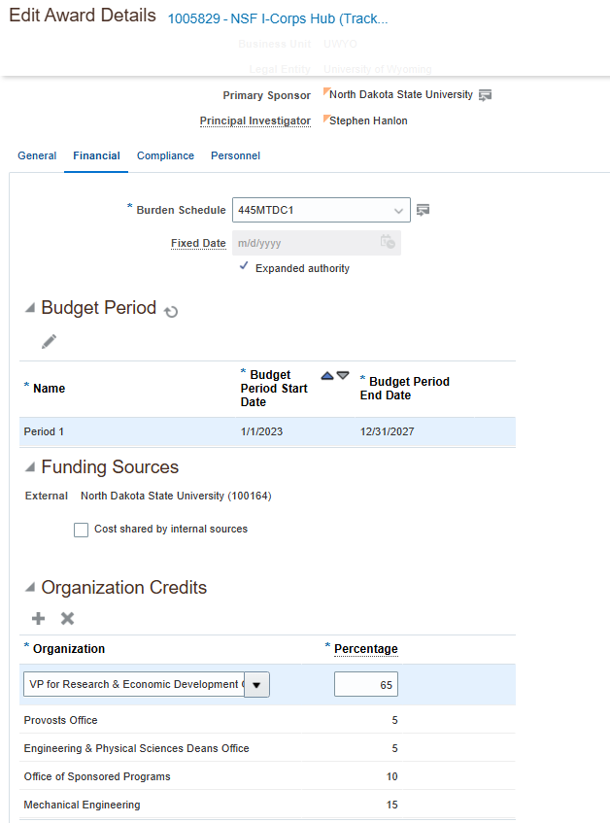
Expenditure Type | Indirect Cost Expense

Sum of Burdened Cost in Provider Ledger Currency
40,724.66

VP Research | 65% | 26,471.03
Provosts | 5% | 2,036.23
Engineering Dean's Office | 5% | 2,036.23
Office of Sponsored Programs | 10% | 4,072.47
Mechanical Engineering | 15% | 6,108.70
 | 100% | 40,724.66

